Comparison
FIR Filtering (in C, float)
 | Arduino Uno |  | Arduino M0 Pro |  | Maple |  | Arduino Due |  | Teensy 3.2 |  | NXP K66 |  | Python, PC
16 | 311 | 16 | 114.83 | 16 | 38.44 | 16 | 35.69 | 16 | 29.24 | 16 | 1.30 | 32 | 5.69
32 | 622 | 32 | 226.47 | 32 | 77.28 | 32 | 71.64 | 32 | 58.05 | 32 | 2.60 | 64 | 8.36
64 | 1270 | 64 | 446.45 | 64 | 154.92 | 64 | 143.43 | 64 | 115.52 | 64 | 5.10 | 128 | 8.77
128 | 2522 | 128 | 892.74 | 128 | 310.15 | 128 | 286.93 | 128 | 230.49 | 128 | 10.00 | 256 | 10.98
 |  | 256 | 1783.68 | 256 | 620.58 | 256 | 573.83 | 256 | 460.29 | 256 | 19.90 | 512 | 18.06
 |  | 512 | 3567.42 | 512 | 1241.37 | 512 | 1147.53 | 512 | 919.99 | 512 | 39.60 | 1024 | 27.35
 |  |  |  |  |  | 1024
 |  | Arduino Uno | Arduino M0 Pro | Maple | Arduino Due | Teensy 3.2 | NXP K66 | Python, PC
 |  | float | Float | Float | float | float | float | float
 |  | 0 | Inline, using types.h | Inline | Inline, using types.h | 96 MHz, Optimized | Inline, using types.h | SciPy
 | N_FIR | usec | usec | usec | usec | usec | usec | usec |  | Uno/Uno | Uno/M0 | Uno/Maple | Uno/Due | Uno/Teensy |  | Uno/PC
 | 4 | 0 | 0 | 9.26 | 8.61 | 0 |  | 5.70 |  |  | #DIV/0! | 0.00 | 0.00 | #DIV/0! |  | 0.00
 | 8 | 0 | 59.51 | 19 | 17.67 | 14.87 |  | 5.59 |  |  | 0.00 | 0.00 | 0.00 | 0.00 |  | 0.00
 | 16 | 311 | 114.83 | 38.44 | 35.69 | 29.24 | 1.30 | 5.50 |  | 1 | 2.71 | 8.09 | 8.71 | 10.64 |  | 56.50
 | 32 | 622 | 226.47 | 77.28 | 71.64 | 58.05 | 2.60 | 5.69 |  | 1 | 2.75 | 8.05 | 8.68 | 10.71 |  | 109.26
 | 64 | 1270 | 446.45 | 154.92 | 143.43 | 115.52 | 5.10 | 8.36 |  | 1 | 2.84 | 8.20 | 8.85 | 10.99 |  | 151.90
 | 128 | 2522 | 892.74 | 310.15 | 286.93 | 230.49 | 10.00 | 8.77 |  | 1 | 2.83 | 8.13 | 8.79 | 10.94 |  | 287.60
 | 256 | 0 | 1783.68 | 620.58 | 573.83 | 460.29 | 19.90 | 10.98
 | 512 | 0 | 3567.42 | 1241.37 | 1147.53 | 919.99 | 39.60 | 18.06
 | 1024 | 0 | 7131.84 |  |  |  | 79.20 | 27.35

 |  | Sample Rate | Sample Period
 |  | Hz | usec
 |  | 6000 | 166.7
 |  | 8000 | 125.0
 |  | 11025 | 90.7
 |  | 22050 | 45.4
 |  | 44100 | 22.7

 |  | Arduino Uno | Arduino M0 Pro | Maple | Arduino Due | Teensy 3.1 | K66F | Python, PC |  |  | 3 | 4.5 | 5.25 | 6 | 11.25 | 158.125 | 1.5 | 1.1666666667 | 1.3333333333 | 1.875 | Arduino Uno | Arduino M0 Pro | Maple | Arduino Due | Teensy 3.1 | K66F
 |  | 0 | Inline, using types.h | Inline, using types.h |  | 96 MHz, Optimized | Inline, using types.h | i5, M540, 2.53 GHz
 | N_FIR | usec | usec | usec | usec | usec | usec | usec |  | Uno/Uno | Uno/M0 | Uno/Maple | Uno/Due | Uno/Teensy | Uno/K66 | Uno/Python | M0/Maple | Maple/Due | Maple/Teensy | Teensy/K66 | vs Int | vs Int | vs Int | vs Int | vs Int | vs Int
float | 16 | 311.0 | 114.8 | 38.44 | 35.69 | 29.24 | 1.30 | 5.50 |  | 1 | 2.708 | 8.091 | 8.714 | 10.636 | 239.231 | 56.499 | 2.987 | 1.077 | 1.315 | 22.492 | 7.585 | 12.605 | 6.364 | 5.499 | 13.537 | 1.182
 | 32 | 622.0 | 226.5 | 77.28 | 71.64 | 58.05 | 2.60 | 5.69 |  | 1 | 2.747 | 8.049 | 8.682 | 10.715 | 239.231 | 109.262 | 2.931 | 1.079 | 1.331 | 22.327 | 7.873 | 12.971 | 6.656 | 5.686 | 13.954 | 1.300
 | 64 | 1270.0 | 446.5 | 154.92 | 143.43 | 115.52 | 5.10 | 8.36 |  | 1 | 2.845 | 8.198 | 8.854 | 10.994 | 249.020 | 151.900 | 2.882 | 1.080 | 1.341 | 22.651 | 8.194 | 13.073 | 6.807 | 5.783 | 14.140 | 1.308
 | 128 | 2522.0 | 892.7 | 310.15 | 286.93 | 230.49 | 10.00 | 8.77 |  | 1 | 2.825 | 8.132 | 8.790 | 10.942 | 252.200 | 287.604 | 2.878 | 1.081 | 1.346 | 23.049 | 8.188 | 13.216 | 6.883 | 5.831 | 14.228 | 1.282
int32 | 16 | 129.0 | 10.8 | 6.04 | 6.49 | 2.16 | 1.10 | 5.50 |  | 1 | 11.978 | 21.358 | 19.877 | 59.722 | 117.273 | 23.435 | 1.783 | 0.931 | 2.796 | 1.964 | 3.146 | 1.182 | 1.000 | 1.000 | 1.000 | 1.000
 | 32 | 254.0 | 20.8 | 11.61 | 12.6 | 4.16 | 2.00 | 5.69 |  | 1 | 12.217 | 21.878 | 20.159 | 61.058 | 127.000 | 44.618 | 1.791 | 0.921 | 2.791 | 2.080 | 3.215 | 1.191 | 1.000 | 1.000 | 1.000 | 1.000
 | 64 | 503.0 | 40.8 | 22.76 | 24.8 | 8.17 | 3.90 | 8.36 |  | 1 | 12.319 | 22.100 | 20.282 | 61.567 | 128.974 | 60.162 | 1.794 | 0.918 | 2.786 | 2.095 | 3.245 | 1.196 | 1.000 | 1.000 | 1.000 | 1.000
 | 128 | 1002.0 | 80.9 | 45.06 | 49.21 | 16.2 | 7.80 | 8.77 |  | 1 | 12.384 | 22.237 | 20.362 | 61.852 | 128.462 | 114.266 | 1.796 | 0.916 | 2.781 | 2.077 | 3.253 | 1.198 | 1.000 | 1.000 | 1.000 | 1.000
int16 | 16 | 41.0 | 9.1 | 6.04 | 6.49 | 2.16 | 1.10 | 5.50 |  | 1 | 4.501 | 6.788 | 6.317 | 18.981 | 37.273 | 7.448 | 1.508 | 0.931 | 2.796 | 1.964
 | 32 | 79.0 | 17.5 | 11.61 | 12.6 | 4.16 | 2.00 | 5.69 |  | 1 | 4.525 | 6.804 | 6.270 | 18.990 | 39.500 | 13.877 | 1.504 | 0.921 | 2.791 | 2.080
 | 64 | 155.0 | 34.2 | 22.76 | 24.8 | 8.17 | 3.90 | 8.36 |  | 1 | 4.539 | 6.810 | 6.250 | 18.972 | 39.744 | 18.539 | 1.500 | 0.918 | 2.786 | 2.095
 | 128 | 308.0 | 67.6 | 45.06 | 49.21 | 16.2 | 7.80 | 8.77 |  | 1 | 4.560 | 6.835 | 6.259 | 19.012 | 39.487 | 35.124 | 1.499 | 0.916 | 2.781 | 2.077

float | fs for N=32 | 1,608 | 4,416 | 12,940 | 13,959 | 17,227 | 384,615 | 175,662 | Hz | 0.12 | 0.35 | 1.00 | 1.08 | 1.34 | 30.39 | 35.12
int32 | fs for N=32 | 3,937 | 48,100 | 86,133 | 79,365 | 240,385 | 500,000 | 175,662 | Hz | 0.31 | 3.80 | 6.81 | 6.25 | 18.97 | 39.74 | 35.12
int16 | fs for N=32 | 12,658 | 57,274 | 86,133 | 79,365 | 240,385 | 500,000 | 175,662 | Hz | 1.00 | 4.54 | 6.81 | 6.25 | 18.97 | 39.74 | 35.12

FIR Filtering Performance (in C)
FIR Filtering Performance (in C)

FIR Filtering Performance (in C)
 | int16 | int32 | float
Arduino Uno | 1.00 | 0.31 | 0.12
Arduino M0 Pro | 4.54 | 3.80 | 0.35
Arduino Due | 6.25 | 6.25 | 1.08
Teensy 3.1 | 18.97 | 18.97 | 1.34
K66F | 39.74 | 39.74 | 30.39
Python, PC
 | Sample Rate While Still Getting Required Resolution |  |  |  |  | 250 |  |  | Hz
 |  | Arduino Uno | Arduino M0 Pro | Maple | Arduino Due | Teensy 3.1 | K66F | Python, PC
 | float | 3,549 | 5,987 | 10,163 | 10,562 | 11,769 | 56,011 | 76,361 | kHz
 | int32 | 5,640 | 19,796 | 26,514 | 25,400 | 44,254 | 64,051 | 76,361 | kHz
 | int16 | 10,160 | 21,645 | 26,514 | 25,400 | 44,254 | 64,051 | 76,361 | kHz

FIR Filtering Performance (in C)
 | float | int32
Arduino Uno | 3,549 | 5,640
Arduino M0 Pro | 5,987 | 19,796
Arduino Due | 10,562 | 25,400
Teensy 3.1 | 11,769 | 44,254
K66F | 56,011 | 64,051

Arduino Uno
https://www.arduino.cc/en/Main/ArduinoBoardUno
ATmega328
16 MHz
 |  |  |  |  |  | Arduino Uno |  | Arduino Uno
 |  |  |  |  |  | float
Arduino Uno, Float Operations |  |  |  | Arduino Uno, Float, decrement indexer |  | function |  | float | int | long
N_FIR | Micros Per Trial | Bytes |  | Micros Per Trial | Bytes | Micros Per Trial | Bytes | Micros Per Trial | Micros Per Trial | Micros Per Trial
4 | 71.46 |  |  | 70.36 | 344 | 79.5 | 344
8 | 143.89 |  |  | 141.4 | 376 | 155.34 | 376
16 | 290.4 | 440 |  | 285.15 | 440 | 308.66 |  | 311 | 41 | 129
32 | 595.99 | 568 |  | 585.2 | 568 | 627.84 |  | 622 | 79 | 254
64 | 1224.4 | 824 |  | 1202.6 | 824 | 1283 |  | 1270 | 155 | 503
128 | 2513.7 | 1336 |  | 2469.7 | 1336 | 2627 |  | 2522 | 308 | 1002
256 |  |  |  |  |  |  |  |  | 612
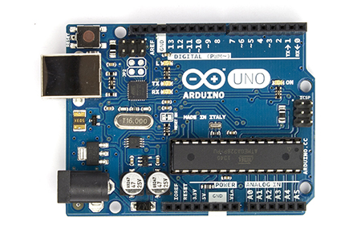
 | Assumed Sample Rate | 22050 | Hz
 | Sample Period | 45.351473923 | microseconds
 | Fraction |  |  | Fraction |  | Fraction
 | 1.575693 |  |  | 1.551438 |  | 1.752975
 | 3.1727745 |  |  | 3.11787 |  | 3.425247
 | 6.40332 |  |  | 6.2875575 |  | 6.805953
 | 13.1415795 |  |  | 12.90366 |  | 13.843872
 | 26.99802 |  |  | 26.51733 |  | 28.29015
 | 55.427085 |  |  | 54.456885 |  | 57.92535

4 | 1 |  |  | 0.98460677302 |  | 1.1299033542
8 | 1 |  |  | 0.98269511432 |  | 1.0985855728
16 | 1 |  |  | 0.9819214876 |  | 1.0824478345
32 | 1 |  |  | 0.98189566939 |  | 1.0728639781
64 | 1 |  |  | 0.98219536099 |  | 1.0668551472
128 | 1 |  |  | 0.98249592235 |  | 1.0636919464
256

Arduino M0 Pro
http://www.arduino.org/products/arduino-m0-pro
ATSAMD21G18, Atmel’s SAMD21 MCU, featuring a 32-bit ARM Cortex® M0 core
48 MHz

 | Arduino M0 Pro |  |  |  |  |  | Arduino M0 Pro
 | Float |  |  |  |  |  | Inline, using types.h
 | Function |  | Inline |  | Inline, Modulo |  | float | int16 | int32
N_FIR | Micros Per Trial |  |  |  | (non deterministic!) |  | Micros Per Trial | Micros Per Trial | Micros Per Trial
4 | 30.2 |  | 27.42 | 91% | 28 | 102%
8 | 59.57 |  | 54.78 | 92% | 56.35 | 103% | 59.51 | 4.93 | 5.77
16 | 118.3 |  | 109.15 | 92% | 110.8 | 102% | 114.83 | 9.11 | 10.77 | 12.604829857
32 | 235 |  | 217.57 | 93% | 220 | 101% | 226.47 | 17.46 | 20.79 | 12.970790378
64 | 473 |  | 438.08 | 93% | 438 | 100% | 446.45 | 34.15 | 40.83 | 13.073206442
128 | 945 |  | 874.76 | 93% | 874.4 | 100% | 892.74 | 67.55 | 80.91 | 13.215988157
256 | 1887 |  | 1764 | 93% | 1758.8 | 100% | 1783.68 | 134.35 | 161.06 | 13.276367696
512 | 3761 |  |  | 0% |  | #DIV/0! | 3567.42 | 267.93 | 321.36
1024 | 7519 |  |  | 0% |  | #DIV/0! | 7131.84 | 535.12 | 641.98

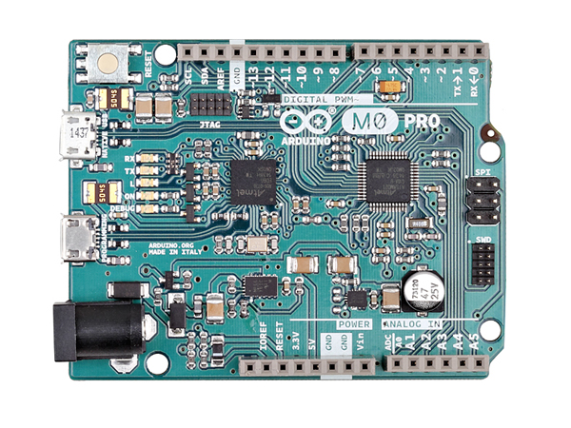
 | Assumed Sample Rate | 16000 | Hz
 | Sample Period | 62.5 | micros

Maple
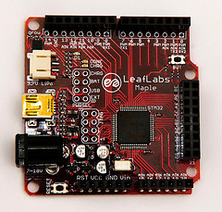
http://www.leaflabs.com/about-maple/
STM32F103RB: a 32-bit ARM Cortex-M3 microprocessor
72 MHz

 | Maple
 | Inline, using types.h
 | double | float | long | int
4 | 13.66 | 9.26 | 1.86 | 1.85
8 | 28.03 | 19 | 3.25 | 3.25
16 | 56.67 | 38.44 | 6.04 | 6.04
32 | 113.85 | 77.28 | 11.61 | 11.61
64 | 228.12 | 154.92 | 22.76 | 22.76
128 | 456.55 | 310.15 | 45.06 | 45.06
256 | 913.3 | 620.58 | 89.65 | 89.65
512 | 1826.73 | 1241.37 | 178.85 | 178.84

Arduino Due
https://www.arduino.cc/en/Main/arduinoBoardDue
Atmel SAM3X8E ARM Cortex-M3 CPU
84 MHz
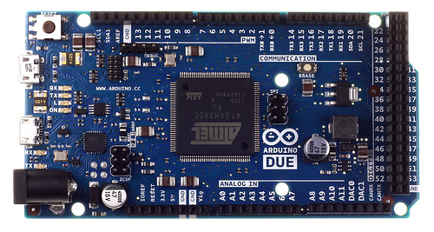
 | Arduino Due
 | Inline, using types.h
 | double | float | long | int
4 | 13.75 | 8.61 | 1.92 | 1.92
8 | 28.23 | 17.67 | 3.44 | 3.44
16 | 57.06 | 35.69 | 6.49 | 6.49
32 | 114.59 | 71.64 | 12.6 | 12.6
64 | 229.52 | 143.43 | 24.8 | 24.8
128 | 459.25 | 286.93 | 49.21 | 49.21
256 | 918.56 | 573.83 | 98.05 | 98.05
512 | 1837.07 | 1147.53 | 195.67 | 195.67

Teensy 3.2
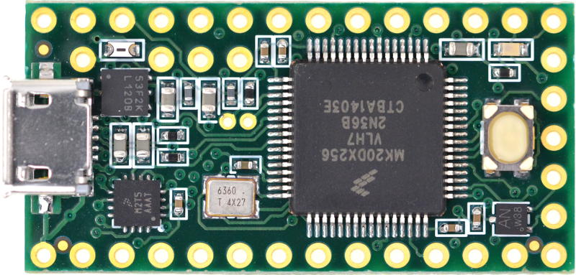
http://www.pjrc.com/store/teensy32.html
NXP Kinetis MK20DX256VLH7, Cortex-M4 (No FPU)
96 MHz, Optimized
N | float | int32
8 | 14.87 | 1.15 |  | usec / FIR
16 | 29.24 | 2.16
32 | 58.05 | 4.16
64 | 115.52 | 8.17
128 | 230.49 | 16.2
256 | 460.29 | 32.23
512 | 919.99 | 64.31
1024 | 1839.32 | 128.49

NXP Kinetis MK20DX256VLH7, Cortex-M4 (No FPU)
 | Teensy 3.1
 | 96 MHz, Optimized
 | double | float | long | int
4 | 11.78 | 6.81 | 0.61 | 0.61
8 | 24.81 | 14.74 | 1.07 | 1.07
16 | 50.7 | 30.53 | 1.99 | 1.99
32 | 102.3 | 62.01 | 3.82 | 3.82
64 | 205.35 | 124.89 | 7.5 | 7.5
128 | 411.28 | 250.57 | 14.85 | 14.85
256 | 822.97 | 501.85 | 29.55 | 29.55
512 | 1646.22 | 1004.33 | 58.96 | 58.96

 | Teensy 3.1, 72MHz
 | 72 MHz, Optimized |  |  |  | 1.3333333333
 | double | float | long | int
4 | 12.67 | 7.36 | 0.81 | 0.81 | 1.3278688525 | 1.1674008811 | 1.4590163934 | 1.4590163934
8 | 26.53 | 15.51 | 1.42 | 1.42 | 1.3271028037 | 1.145183175 | 1.4579439252 | 1.4579439252
16 | 54.1 | 31.67 | 2.65 | 2.65 | 1.3316582915 | 1.1352767769 | 1.4522613065 | 1.4522613065
32 | 109.06 | 63.87 | 5.1 | 5.1 | 1.335078534 | 1.1323980003 | 1.4554973822 | 1.4554973822
64 | 218.82 | 128.22 | 10 | 10 | 1.3333333333 | 1.1293137961 | 1.4546666667 | 1.4546666667
128 | 438.17 | 256.58 | 19.81 | 19.81 | 1.334006734 | 1.128427186 | 1.4545454545 | 1.4545454545
256 | 876.73 | 513.32 | 39.43 | 39.43 | 1.3343485618 | 1.1279665239 | 1.4541455161 | 1.4541455161
512 | 1753.6 | 1026.67 | 78.65 | 78.65 | 1.3339552239 | 1.1277667699 | 1.453697422 | 1.453697422

 | Teensy 3.1
 | 96 MHz, Not-Optimized
 | double | float | long | int | Relative to 96MHz, Optimized
4 | 12.36 | 7.95 | 0.89 | 0.89 | 1.0492359932
8 | 25.72 | 16.88 | 1.56 | 1.56 | 1.0366787586
16 | 52.28 | 34.66 | 2.89 | 2.89 | 1.0311637081
32 | 105.2 | 70.22 | 5.56 | 5.56 | 1.0283479961
64 | 210.9 | 141.04 | 10.91 | 10.91 | 1.027027027
128 | 422.11 | 282.75 | 21.6 | 21.6 | 1.0263324256
256 | 844.39 | 566.07 | 42.97 | 42.97 | 1.0260276802
512 | 1688.76 | 1132.65 | 85.71 | 85.71 | 1.0258410176

Python
FIR Filter Time (Python, PC)
 | Python on PC | Python on PC
 | i5, M540, 2.53 GHz | i5, M540, 2.53 GHz
 | Not Vectorized | Scipy.signal | Multiple runs |  |  |  | Ratio of Time / N
4 | 12.5 | 5.70 | 5.546 | 5.47 | 6.08 |  | 1.4246666667
8 | 21.9 | 5.59 | 5.668 | 5 | 6.55 | 5.16 | 0.6993125
16 | 37.4 | 5.50 | 5.768 | 5.3 | 6.1 | 4.85 | 0.34403125
32 | 58 | 5.69 | 5.911 | 6.41 | 5.15 | 5.3 | 0.1778984375
64 | 90.2 | 8.36 | 10.183 | 8.9 | 7.02 | 7.34 | 0.13063671875
128 | 222.9 | 8.77 | 8.197 | 18.11 | 8.27 | 9.84 | 0.0685078125
256 | 423.3 | 10.98 | 11.093 | 10.33 | 11.87 | 10.61 | 0.042874023437
512 | 829.2 | 18.06 | 20.046 | 17.88 | 16.25 | 18.05 | 0.035266601562
1024 |  | 27.35 | 29.384 | 26.82 | 27.16 | 26.05 | 0.026712402344
2048 |  | 48.59 |  | 47 | 49.97 | 48.81 | 0.023727213542
4096 |  | 99.42 |  | 94.1 | 91.43 | 112.73 | 0.024272460938
FIR Filter Scaling (Python, PC)
8192 |  | 201.51 |  | 229.32 | 181.94 | 193.28 | 0.024598795573
16384 |  | 366.99 |  | 377.01 | 342.47 | 381.5 | 0.022399495443

